Heun_2019
Heun & Brockway (2019) - Meeting 2030 primary energy and economic growth goals Mission Impossible
https://doi.org/10.1016/j.apenergy.2019.01.255

On this sheet, we treat light from the TV screen as the useful product from the device.
After estimating screen brightness and device electricity consumption, we can estimate the exergy conversion factor.

 |  | 1950 | 1951 | 1952 | 1953 | 1954 | 1955 | 1956 | 1957 | 1958 | 1959 | 1960 | 1961 | 1962 | 1963 | 1964 | 1965 | 1966 | 1967 | 1968 | 1969 | 1970 | 1971 | 1972 | 1973 | 1974 | 1975 | 1976 | 1977 | 1978 | 1979 | 1980 | 1981 | 1982 | 1983 | 1984 | 1985 | 1986 | 1987 | 1988 | 1989 | 1990 | 1991 | 1992 | 1993 | 1994 | 1995 | 1996 | 1997 | 1998 | 1999 | 2000 | 2001 | 2002 | 2003 | 2004 | 2005 | 2006 | 2007 | 2008 | 2009 | 2010 | 2011 | 2012 | 2013 | 2014 | 2015 | 2016 | 2017 | 2018 | 2019 | 2020
 | Typical TV screen width [in] | 9 | 9.3333333333 | 9.6666666667 | 10 | 10.333333333 | 10.666666667 | 11 | 11.333333333 | 11.666666667 | 12 | 12.333333333 | 12.666666667 | 13 | 13.333333333 | 13.666666667 | 14 | 14.333333333 | 14.666666667 | 15 | 15.333333333 | 15.666666667 | 16 | 16.333333333 | 16.666666667 | 17 | 17.333333333 | 17.666666667 | 18 | 18.333333333 | 18.666666667 | 19 | 19.333333333 | 19.666666667 | 20 | 20.333333333 | 20.666666667 | 21 | 21.333333333 | 21.666666667 | 22 | 22.333333333 | 22.666666667 | 23 | 23.333333333 | 23.666666667 | 24 | 24.333333333 | 24.666666667 | 25 | 25.333333333 | 25.666666667 | 26 | 26.333333333 | 26.666666667 | 27 | 27.333333333 | 27.666666667 | 28 | 28.333333333 | 28.666666667 | 29 | 29.333333333 | 29.666666667 | 30 | 30.333333333 | 30.666666667 | 31 | 31.333333333 | 31.666666667 | 32 | 32.333333333
 | Typical TV screen height [in] | 9 | 9.1746031746 | 9.3492063492 | 9.5238095238 | 9.6984126984 | 9.873015873 | 10.047619048 | 10.222222222 | 10.396825397 | 10.571428571 | 10.746031746 | 10.920634921 | 11.095238095 | 11.26984127 | 11.444444444 | 11.619047619 | 11.793650794 | 11.968253968 | 12.142857143 | 12.317460317 | 12.492063492 | 12.666666667 | 12.841269841 | 13.015873016 | 13.19047619 | 13.365079365 | 13.53968254 | 13.714285714 | 13.888888889 | 14.063492063 | 14.238095238 | 14.412698413 | 14.587301587 | 14.761904762 | 14.936507937 | 15.111111111 | 15.285714286 | 15.46031746 | 15.634920635 | 15.80952381 | 15.984126984 | 16.158730159 | 16.333333333 | 16.507936508 | 16.682539683 | 16.857142857 | 17.031746032 | 17.206349206 | 17.380952381 | 17.555555556 | 17.73015873 | 17.904761905 | 18.079365079 | 18.253968254 | 18.428571429 | 18.603174603 | 18.777777778 | 18.952380952 | 19.126984127 | 19.301587302 | 19.476190476 | 19.650793651 | 19.825396825 | 20 | 20.174603175 | 20.349206349 | 20.523809524 | 20.698412698 | 20.873015873 | 21.047619048 | 21.222222222
 | TV screen size [in^2] | 81 | 85.62962963 | 90.375661376 | 95.238095238 | 100.21693122 | 105.31216931 | 110.52380952 | 115.85185185 | 121.2962963 | 126.85714286 | 132.53439153 | 138.32804233 | 144.23809524 | 150.26455026 | 156.40740741 | 162.66666667 | 169.04232804 | 175.53439153 | 182.14285714 | 188.86772487 | 195.70899471 | 202.66666667 | 209.74074074 | 216.93121693 | 224.23809524 | 231.66137566 | 239.2010582 | 246.85714286 | 254.62962963 | 262.51851852 | 270.52380952 | 278.64550265 | 286.88359788 | 295.23809524 | 303.70899471 | 312.2962963 | 321 | 329.82010582 | 338.75661376 | 347.80952381 | 356.97883598 | 366.26455026 | 375.66666667 | 385.18518519 | 394.82010582 | 404.57142857 | 414.43915344 | 424.42328042 | 434.52380952 | 444.74074074 | 455.07407407 | 465.52380952 | 476.08994709 | 486.77248677 | 497.57142857 | 508.48677249 | 519.51851852 | 530.66666667 | 541.93121693 | 553.31216931 | 564.80952381 | 576.42328042 | 588.15343915 | 600 | 611.96296296 | 624.04232804 | 636.23809524 | 648.55026455 | 660.97883598 | 673.52380952 | 686.18518519
 | TV screen size [ft^2] | 0.60902255639 | 0.64383180173 | 0.67951625094 | 0.71607590405 | 0.75351076103 | 0.7918208219 | 0.83100608665 | 0.87106655528 | 0.91200222779 | 0.95381310419 | 0.99649918447 | 1.0400604686 | 1.0844969567 | 1.1298086486 | 1.1759955444 | 1.2230576441 | 1.2709949477 | 1.3198074551 | 1.3694951665 | 1.4200580817 | 1.4714962008 | 1.5238095238 | 1.5769980507 | 1.6310617814 | 1.6860007161 | 1.7418148546 | 1.798504197 | 1.8560687433 | 1.9145084935 | 1.9738234475 | 2.0340136054 | 2.0950789673 | 2.157019533 | 2.2198353025 | 2.283526276 | 2.3480924534 | 2.4135338346 | 2.4798504197 | 2.5470422087 | 2.6151092016 | 2.6840513983 | 2.753868799 | 2.8245614035 | 2.8961292119 | 2.9685722242 | 3.0418904404 | 3.1160838604 | 3.1911524844 | 3.2670963122 | 3.3439153439 | 3.4216095795 | 3.500179019 | 3.5796236623 | 3.6599435096 | 3.7411385607 | 3.8232088157 | 3.9061542746 | 3.9899749373 | 4.074670804 | 4.1602418745 | 4.2466881489 | 4.3340096272 | 4.4222063094 | 4.5112781955 | 4.6012252854 | 4.6920475793 | 4.783745077 | 4.8763177786 | 4.9697656841 | 5.0640887934 | 5.1592871067
 | TV screen size [m^2] | 0.054994736842 | 0.058138011696 | 0.06136031746 | 0.064661654135 | 0.068042021721 | 0.071501420217 | 0.075039849624 | 0.078657309942 | 0.08235380117 | 0.086129323308 | 0.089983876358 | 0.093917460317 | 0.097930075188 | 0.10202172097 | 0.10619239766 | 0.11044210526 | 0.11477084378 | 0.1191786132 | 0.12366541353 | 0.12823124478 | 0.13287610693 | 0.1376 | 0.14240292398 | 0.14728487886 | 0.15224586466 | 0.15728588137 | 0.16240492899 | 0.16760300752 | 0.17288011696 | 0.17823625731 | 0.18367142857 | 0.18918563074 | 0.19477886383 | 0.20045112782 | 0.20620242272 | 0.21203274854 | 0.21794210526 | 0.2239304929 | 0.22999791145 | 0.2361443609 | 0.24236984127 | 0.24867435255 | 0.25505789474 | 0.26152046784 | 0.26806207185 | 0.27468270677 | 0.2813823726 | 0.28816106934 | 0.29501879699 | 0.30195555556 | 0.30897134503 | 0.31606616541 | 0.32324001671 | 0.33049289891 | 0.33782481203 | 0.34523575606 | 0.35272573099 | 0.36029473684 | 0.3679427736 | 0.37566984127 | 0.38347593985 | 0.39136106934 | 0.39932522974 | 0.40736842105 | 0.41549064327 | 0.42369189641 | 0.43197218045 | 0.44033149541 | 0.44876984127 | 0.45728721805 | 0.46588362573
 | Typical brightness [cd/m^2] | 30 | 31.111111111 | 32.222222222 | 33.333333333 | 34.444444444 | 35.555555556 | 36.666666667 | 37.777777778 | 38.888888889 | 40 | 41.111111111 | 42.222222222 | 43.333333333 | 44.444444444 | 45.555555556 | 46.666666667 | 47.777777778 | 48.888888889 | 50 | 51.111111111 | 52.222222222 | 53.333333333 | 54.444444444 | 55.555555556 | 56.666666667 | 57.777777778 | 58.888888889 | 60 | 61.111111111 | 62.222222222 | 63.333333333 | 64.444444444 | 65.555555556 | 66.666666667 | 67.777777778 | 68.888888889 | 70 | 71.111111111 | 72.222222222 | 73.333333333 | 74.444444444 | 75.555555556 | 76.666666667 | 77.777777778 | 78.888888889 | 80 | 81.111111111 | 82.222222222 | 83.333333333 | 84.444444444 | 85.555555556 | 86.666666667 | 87.777777778 | 88.888888889 | 90 | 91.111111111 | 92.222222222 | 93.333333333 | 94.444444444 | 95.555555556 | 96.666666667 | 97.777777778 | 98.888888889 | 100 | 101.11111111 | 102.22222222 | 103.33333333 | 104.44444444 | 105.55555556 | 106.66666667 | 107.77777778
 | Typical screen brightness [lm/m^2] | 188.49555922 | 195.47687622 | 202.45819323 | 209.43951024 | 216.42082725 | 223.40214426 | 230.38346126 | 237.36477827 | 244.34609528 | 251.32741229 | 258.3087293 | 265.2900463 | 272.27136331 | 279.25268032 | 286.23399733 | 293.21531434 | 300.19663134 | 307.17794835 | 314.15926536 | 321.14058237 | 328.12189937 | 335.10321638 | 342.08453339 | 349.0658504 | 356.04716741 | 363.02848441 | 370.00980142 | 376.99111843 | 383.97243544 | 390.95375245 | 397.93506945 | 404.91638646 | 411.89770347 | 418.87902048 | 425.86033749 | 432.84165449 | 439.8229715 | 446.80428851 | 453.78560552 | 460.76692253 | 467.74823953 | 474.72955654 | 481.71087355 | 488.69219056 | 495.67350757 | 502.65482457 | 509.63614158 | 516.61745859 | 523.5987756 | 530.58009261 | 537.56140961 | 544.54272662 | 551.52404363 | 558.50536064 | 565.48667765 | 572.46799465 | 579.44931166 | 586.43062867 | 593.41194568 | 600.39326269 | 607.37457969 | 614.3558967 | 621.33721371 | 628.31853072 | 635.29984773 | 642.28116473 | 649.26248174 | 656.24379875 | 663.22511576 | 670.20643277 | 677.18774977
 | Screen brlghtness [lm] | 10.366263675 | 11.364636916 | 12.422899009 | 13.542705173 | 14.725710628 | 15.973570594 | 17.287940289 | 18.670474934 | 20.122829747 | 21.646659949 | 23.243620759 | 24.915367396 | 26.663555081 | 28.489839031 | 30.395874468 | 32.383316611 | 34.453820678 | 36.60904189 | 38.850635466 | 41.180256626 | 43.599560589 | 46.110202574 | 48.713837802 | 51.412121491 | 54.206708862 | 57.099255134 | 60.091415525 | 63.184845257 | 66.381199548 | 69.682133617 | 73.089302685 | 76.604361971 | 80.228966695 | 83.964772075 | 87.813433332 | 91.776605684 | 95.855944352 | 100.05310456 | 104.36974151 | 108.80751044 | 113.36806657 | 118.05306511 | 122.86416128 | 127.8030103 | 132.8712674 | 138.07058778 | 143.40262668 | 148.86903931 | 154.47148088 | 160.21160663 | 166.09107176 | 172.11153151 | 178.27464108 | 184.5820557 | 191.03543058 | 197.63642095 | 204.38668203 | 211.28786903 | 218.34163718 | 225.54964169 | 232.91353779 | 240.43498069 | 248.11562561 | 255.95712778 | 263.9611424 | 272.12932471 | 280.46332992 | 288.96481325 | 297.63542992 | 306.47683516 | 315.49068417
 | Electricity consumption per screen size [W/in^2] | 0.5 | 0.49603174603 | 0.49206349206 | 0.4880952381 | 0.48412698413 | 0.48015873016 | 0.47619047619 | 0.47222222222 | 0.46825396825 | 0.46428571429 | 0.46031746032 | 0.45634920635 | 0.45238095238 | 0.44841269841 | 0.44444444444 | 0.44047619048 | 0.43650793651 | 0.43253968254 | 0.42857142857 | 0.4246031746 | 0.42063492063 | 0.41666666667 | 0.4126984127 | 0.40873015873 | 0.40476190476 | 0.40079365079 | 0.39682539683 | 0.39285714286 | 0.38888888889 | 0.38492063492 | 0.38095238095 | 0.37698412698 | 0.37301587302 | 0.36904761905 | 0.36507936508 | 0.36111111111 | 0.35714285714 | 0.35317460317 | 0.34920634921 | 0.34523809524 | 0.34126984127 | 0.3373015873 | 0.33333333333 | 0.32936507937 | 0.3253968254 | 0.32142857143 | 0.31746031746 | 0.31349206349 | 0.30952380952 | 0.30555555556 | 0.30158730159 | 0.29761904762 | 0.29365079365 | 0.28968253968 | 0.28571428571 | 0.28174603175 | 0.27777777778 | 0.27380952381 | 0.26984126984 | 0.26587301587 | 0.2619047619 | 0.25793650794 | 0.25396825397 | 0.25 | 0.24603174603 | 0.24206349206 | 0.2380952381 | 0.23412698413 | 0.23015873016 | 0.22619047619 | 0.22222222222
 | Electricity consumption [W] | 40.5 | 42.475014697 | 44.470563534 | 46.485260771 | 48.517720669 | 50.566557487 | 52.630385488 | 54.70781893 | 56.797472075 | 58.897959184 | 61.007894516 | 63.125892332 | 65.250566893 | 67.38053246 | 69.514403292 | 71.650793651 | 73.788317796 | 75.925589989 | 78.06122449 | 80.193835559 | 82.322037457 | 84.444444444 | 86.559670782 | 88.66633073 | 90.763038549 | 92.848408499 | 94.921054842 | 96.979591837 | 99.022633745 | 101.04879483 | 103.05668934 | 105.04493155 | 107.01213572 | 108.9569161 | 110.87788696 | 112.77366255 | 114.64285714 | 116.48408499 | 118.29596036 | 120.07709751 | 121.82611069 | 123.54161418 | 125.22222222 | 126.86654909 | 128.47320904 | 130.04081633 | 131.56798522 | 133.05332997 | 134.49546485 | 135.89300412 | 137.24456202 | 138.54875283 | 139.80419081 | 141.00949022 | 142.16326531 | 143.26413034 | 144.31069959 | 145.3015873 | 146.23540774 | 147.11077517 | 147.92630385 | 148.68060805 | 149.37230201 | 150 | 150.56231628 | 151.05786512 | 151.48526077 | 151.84311749 | 152.13004955 | 152.3446712 | 152.48559671
 | Lighting efficacy [lumens/watt] | 0.25595712778 | 0.26756051757 | 0.27935105881 | 0.29133331617 | 0.30351200398 | 0.31589199241 | 0.32847831398 | 0.34127617037 | 0.35429093958 | 0.36752818347 | 0.38099365571 | 0.39469331008 | 0.40863330926 | 0.42282003409 | 0.43726009329 | 0.45196033373 | 0.46692785128 | 0.48217000217 | 0.49769441512 | 0.51350900401 | 0.52962198137 | 0.54604187259 | 0.56277753094 | 0.57983815354 | 0.59723329815 | 0.61497290106 | 0.63306729603 | 0.65152723434 | 0.67036390608 | 0.68958896281 | 0.70921454155 | 0.72925329037 | 0.74971839554 | 0.77062361051 | 0.79198328667 | 0.81381240626 | 0.8361266174 | 0.85894227149 | 0.88227646317 | 0.90614707305 | 0.93057281339 | 0.95557327703 | 0.98116898981 | 1.0073814668 | 1.0342332724 | 1.0617480856 | 1.0899507691 | 1.1188674446 | 1.1485255734 | 1.1789540431 | 1.210183262 | 1.2422452601 | 1.2751737987 | 1.3090044891 | 1.3437749208 | 1.3795248014 | 1.416296107 | 1.4541332477 | 1.4930832454 | 1.5331959296 | 1.5745241497 | 1.6171240073 | 1.6610551105 | 1.7063808518 | 1.7531687139 | 1.8014906042 | 1.8514232243 | 1.9030484754 | 1.9564539077 | 2.0117332148 | 2.0689867829
 | Energy efficiency, eta [-] | 0.1 | 0.1 | 0.1 | 0.1 | 0.1 | 0.1 | 0.1 | 0.1 | 0.1 | 0.1 | 0.1 | 0.1 | 0.1 | 0.1 | 0.1 | 0.1 | 0.1 | 0.1 | 0.1 | 0.1 | 0.1 | 0.1 | 0.1 | 0.1 | 0.1 | 0.1 | 0.1 | 0.1 | 0.1 | 0.1 | 0.1 | 0.1 | 0.1 | 0.1 | 0.1 | 0.1 | 0.1 | 0.1 | 0.1 | 0.1 | 0.1 | 0.1 | 0.1 | 0.1 | 0.1 | 0.1 | 0.1 | 0.1 | 0.1 | 0.1 | 0.1 | 0.1 | 0.1 | 0.1 | 0.1 | 0.1 | 0.1 | 0.1 | 0.1 | 0.1 | 0.1 | 0.1 | 0.1 | 0.1 | 0.1 | 0.1 | 0.1 | 0.1 | 0.1 | 0.1 | 0.1
 | Exergy conversion factor, phi [-] | 0.0037475421344 | 0.0039174307111 | 0.0040900594262 | 0.0042654951123 | 0.0044438067932 | 0.0046250657746 | 0.0048093457391 | 0.0049967228458 | 0.0051872758357 | 0.0053810861416 | 0.0055782380046 | 0.0057788185956 | 0.0059829181443 | 0.0061906300745 | 0.0064020511462 | 0.0066172816066 | 0.0068364253481 | 0.0070595900757 | 0.0072868874835 | 0.0075184334409 | 0.00775434819 | 0.0079947565533 | 0.0082397881544 | 0.0084895776507 | 0.0087442649802 | 0.0090039956231 | 0.009268920879 | 0.0095391981602 | 0.0098149913043 | 0.010096470905 | 0.010383814664 | 0.010677207765 | 0.010976843273 | 0.011282922555 | 0.011595655735 | 0.011915262171 | 0.012241970972 | 0.012576021545 | 0.012917664175 | 0.01326716066 | 0.013624784969 | 0.013990823968 | 0.014365578182 | 0.014749362617 | 0.015142507649 | 0.015545359965 | 0.015958283589 | 0.016381660976 | 0.016815894193 | 0.017261406195 | 0.017718642197 | 0.018188071159 | 0.01867018739 | 0.019165512285 | 0.019674596205 | 0.020198020518 | 0.02073639981 | 0.0212903843 | 0.02186066245 | 0.02244796383 | 0.02305306222 | 0.023676779023 | 0.024319986976 | 0.024983614229 | 0.025668648813 | 0.026376143547 | 0.027107221439 | 0.027863081632 | 0.02864500597 | 0.029454366249 | 0.030292632253
 |  |  |  |  |  |  |  |  |  |  |  |  |  |  |  |  |  |  |  |  |  |  |  |  |  |  |  |  |  |  |  |  |  |  |  |  |  |  |  |  |  |  |  |  |  |  |  |  |  |  |  |  |  |  |  |  |  |  |  |  |  |  |  |  |  | Extended by ZM
ZM Reconstructed Efficiency |  | 0.05% | 0.05% | 0.06% | 0.06% | 0.06% | 0.06% | 0.07% | 0.07% | 0.07% | 0.07% | 0.08% | 0.08% | 0.08% | 0.08% | 0.09% | 0.09% | 0.09% | 0.10% | 0.10% | 0.10% | 0.11% | 0.11% | 0.11% | 0.12% | 0.12% | 0.12% | 0.13% | 0.13% | 0.13% | 0.14% | 0.14% | 0.15% | 0.15% | 0.15% | 0.16% | 0.16% | 0.17% | 0.17% | 0.18% | 0.18% | 0.19% | 0.19% | 0.20% | 0.20% | 0.21% | 0.21% | 0.22% | 0.22% | 0.23% | 0.24% | 0.24% | 0.25% | 0.26% | 0.26% | 0.27% | 0.28% | 0.28% | 0.29% | 0.30% | 0.31% | 0.32% | 0.32% | 0.33% | 0.34% | 0.35% | 0.36% | 0.37% | 0.38% | 0.39% | 0.40% | 0.42%

About TV brightness:

http://www.tweakguides.com/HDTV_5.html

About TV sizes and power consumption:

http://www.tv.com/news/tv-power-consumption-guide-3153/

About TV sizes:
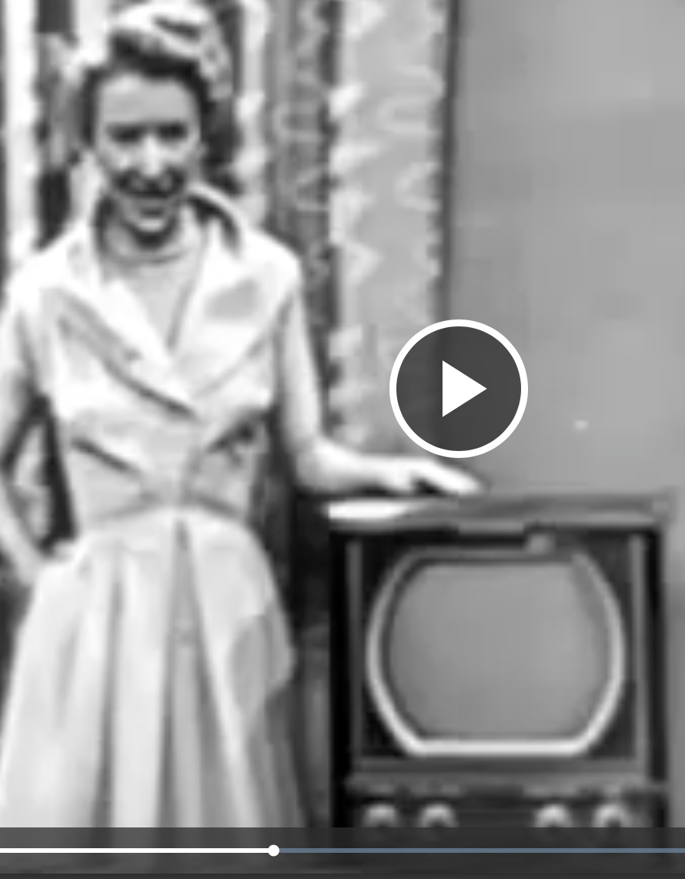

This from a video at http://www.chonday.com/Videos/big-screen-tv-1950
Note that the screen size is about as big as the presenter's upper arm.
Looks to be about 12 inches x 10 inches. Assuming that 9 inches x 9 inches was typical size in that time.

1948 TV:
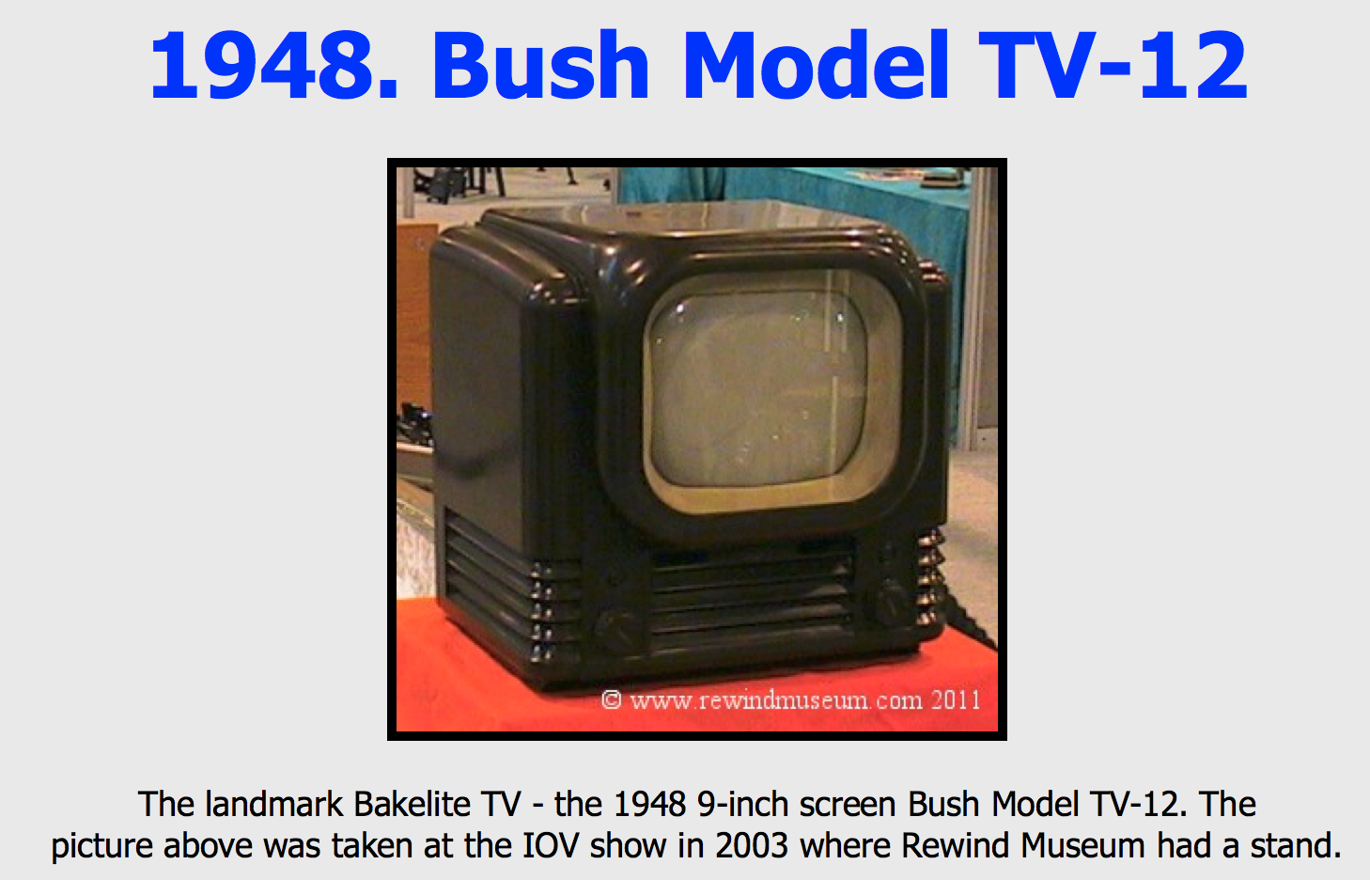

http://www.rewindmuseum.com/vintagetv.htm

